User Stories
USER STORIES (HU) iSoftware.ec

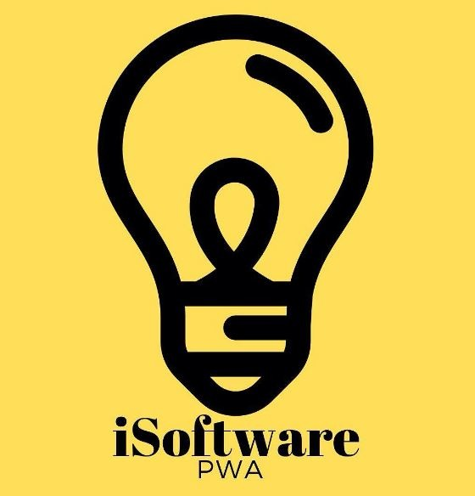
 | ITEM |  | USERNAME |  | STATUS
 | REQ01 |  | Administrator |  | Terminado

 | TIME |  | PRIORITY |  | PROG. RESP
 | 3 |  | Alta |  | Mateo Loachamin

 | WHAT | Add Prodcuts |  | PARA QUE | Registration of products in inventory |  | COMO | You enter the module to add products, click and enter the information of the products. The system calculates the business rules(subtotal, total_iva,unit:profit,total_profit)

 | NAME STORY |  | Add Products to the system

 | TEST |  | The interface shows the screen to add products |  |  | COMMENTS | It is necessary that the system allows to correctly add the data to the database

